Sheet1


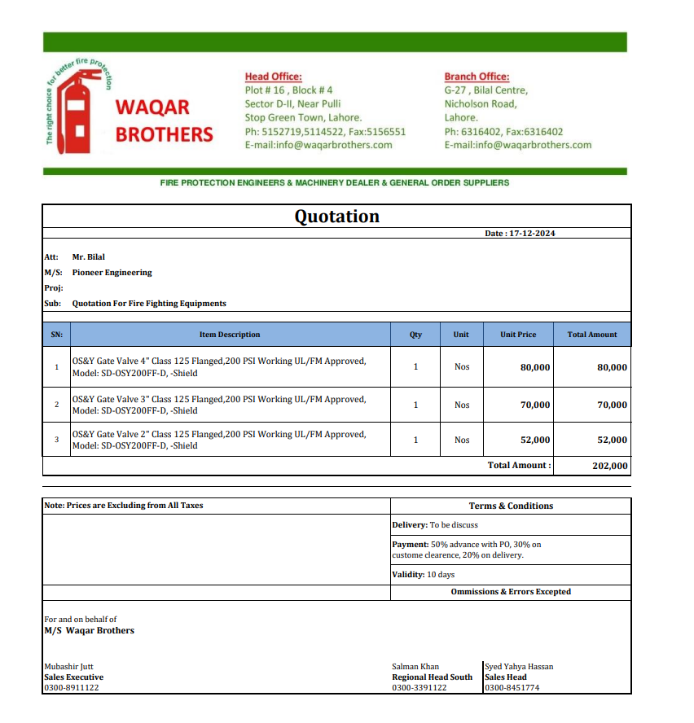

M/S Waqar Brothers |  |  |  |  | 17-Dec-24
Att: Mr. Salman

PO # 137
Purchase Order

Supply of Fire OS&Y Valves - Dolmen Mall Lahore Projects
S No. | D e s c r i p t i o n | Qty | Unit | Rate | Amount
1 | OS&Y Gate Valve 3" Class 125 Flanged, 200 PSI Working UL/FM Approved, Model: SD-OSY200FF-D, -Shield | 1 | No | 70,000 | 70,000
2 | OS&Y Gate Valve 2-1/2" Class 125 Flanged, 200 PSI Working UL/FM Approved, Model: SD-OSY200FF-D, -Shield | 1 | No | 65,000 | 65,000 | 2,577 | 3,015
3 | OS&Y Gate Valve 2" Class 125 Flanged, 200 PSI Working UL/FM Approved, Model: SD-OSY200FF-D, -Shield | 1 | No | 52,000 | 52,000
Total |  |  |  |  | 187,000 |  | -

for Pioneer Engineering Services

 |  |  |  |  |  |  | -
 |  |  |  |  |  |  | -
 |  |  |  |  |  |  | -
 |  |  |  |  |  |  | -
M. BILAL HABIB |  |  |  |  |  |  | -
 |  |  |  |  |  |  | -
 |  |  |  |  |  |  | -
 |  |  |  |  |  |  | -
 |  |  |  |  |  |  | -
 |  |  |  |  |  |  | -
 |  |  |  |  |  |  | -
 |  |  |  |  |  |  | -
 |  |  |  |  |  |  | -
 |  |  |  |  |  |  | -

